Sheet1
Rank & Split Total Sales into Basic and Premium per Region

Sales Rep | Region | Product Category | Sales Amount | Sales Rep | Region | Product Category | Basic Sales | Premium Sales | Total Sales | Transaction Count | Rank in Region | Sales Rep | Region | Product Category | Basic Sales | Premium Sales | Total Sales | Transaction Count | Rank in Region
George | South | Basic | 10000 | David | North | Basic | 8000 | 0 | 8000 | 1 | 1 | David | North | Basic | 8000 | 0 | 8000 | 1 | 1
Irene | East | Premium | 8000 | Alice | North | Basic & Premium | 2500 | 5000 | 7500 | 2 | 2 | Alice | North | Basic & Premium | 2500 | 5000 | 7500 | 2 | 2
Frank | South | Premium | 10000 | Charlie | North | Basic & Premium | 1000 | 4000 | 5000 | 2 | 3 | Bob | North | Basic & Premium | 5000 | 2000 | 7000 | 2 | 3
Jack | East | Premium | 4000 | Bob | North | Basic & Premium | 2000 | 5000 | 7000 | 2 | 4 | Charlie | North | Premium | 0 | 5000 | 5000 | 1 | 4
Alice | North | Premium | 5000 | Eva | South | Basic & Premium | 5000 | 10000 | 15000 | 2 | 1 | Eva | South | Basic & Premium | 5000 | 10000 | 15000 | 2 | 1
Kyle | West | Basic | 5000 | Frank | South | Basic & Premium | 6000 | 8000 | 14000 | 2 | 2 | Frank | South | Basic & Premium | 5000 | 10000 | 15000 | 2 | 2
Liam | West | Basic | 5000 | George | South | Basic | 10000 | 0 | 10000 | 1 | 3 | George | South | Basic | 10000 | 0 | 10000 | 1 | 3
Eva | South | Basic | 5000 | Irene | East | Basic & Premium | 4000 | 8000 | 12000 | 2 | 1 | Irene | East | Basic & Premium | 4000 | 8000 | 12000 | 2 | 1
David | North | Basic | 8000 | Hannah | East | Basic & Premium | 4000 | 4000 | 8000 | 2 | 2 | Hannah | East | Basic & Premium | 4000 | 4000 | 8000 | 2 | 2
Hannah | East | Premium | 4000 | Jack | East | Basic & Premium | 2000 | 2000 | 4000 | 2 | 3 | Jack | East | Premium | 0 | 4000 | 4000 | 1 | 3
Liam | West | Premium | 5000 | Kyle | West | Basic & Premium | 5000 | 5000 | 10000 | 2 | 1 | Kyle | West | Basic & Premium | 5000 | 5000 | 10000 | 2 | 1
Charlie | North | Premium | 5000 | Liam | West | Basic & Premium | 5000 | 5000 | 10000 | 2 | 2 | Liam | West | Basic & Premium | 5000 | 5000 | 10000 | 2 | 2
Hannah | East | Basic | 4000
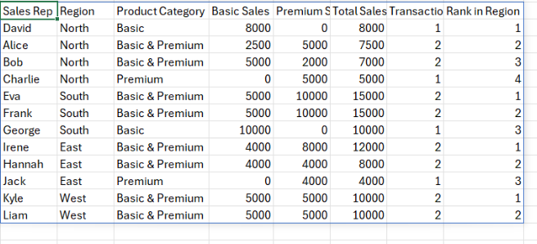
Bob | North | Basic | 5000
Kyle | West | Premium | 5000 | Ranking Conditions:
Frank | South | Basic | 5000 | Rank the Sales Reps by Total Sales in each Region: • Group the data by Region and Sales Rep. • Sum up Basic + Premium sales per Sales Rep. • Assign Rank 1 to the rep with the highest Total Sales in that region. If two reps have the same Total Sales in the same region: • Break the tie using the number of transactions for that Sales Rep in that region — the one with more transactions ranks higher. If two reps have the same Total Sales and Transaction Count: • Break further ties alphabetically by Sales Rep name."
Alice | North | Basic | 2500
Eva | South | Premium | 10000
Irene | East | Basic | 4000
Bob | North | Premium | 2000

